Sheet1
REPORT TESTING QUERRY6 WEB

No | Funtion test |  | Status
1 | Login web | 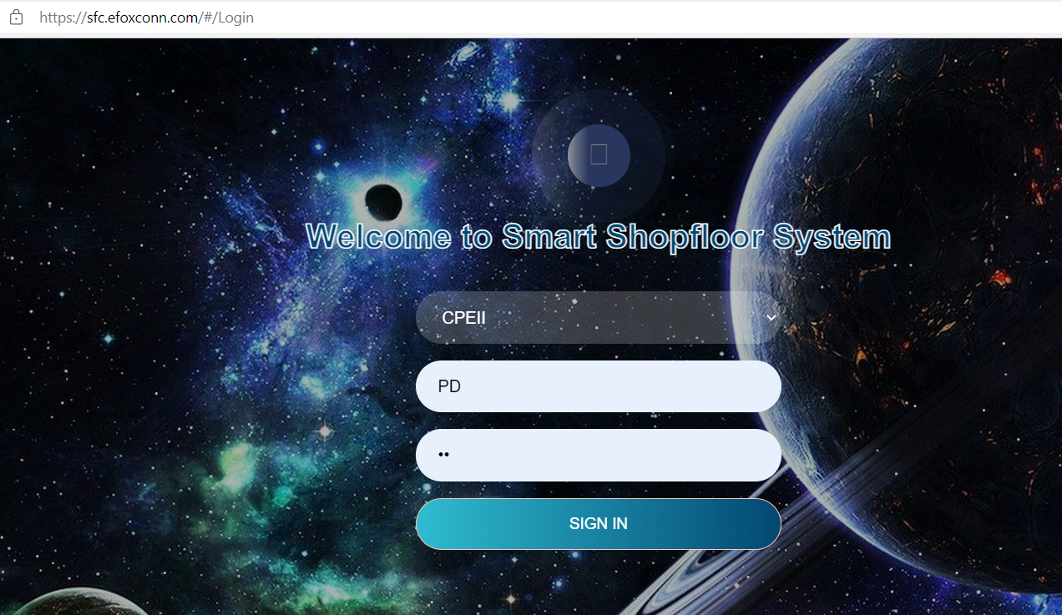 | Done
2 | Querry by mo_number,serial_number,BOX_SN,carton_imei: show data in wip_tracking | 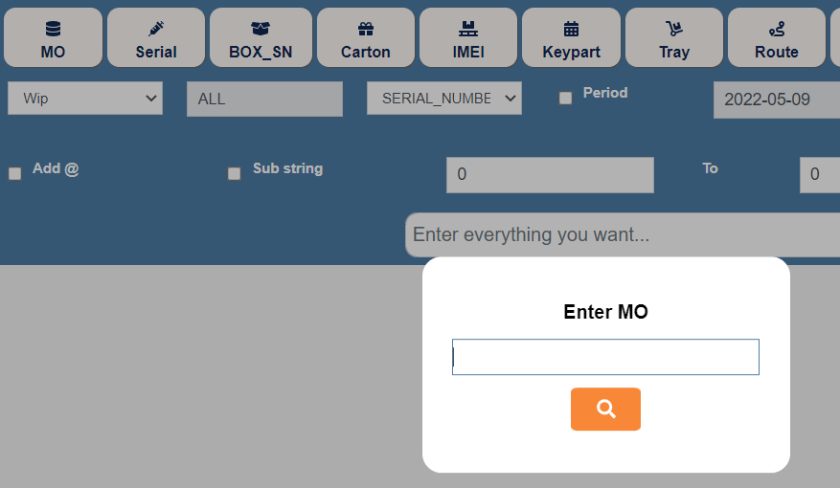 | Done
2 | Export data to excel |  | Done
3 | Querry list ,system log: data correct |  | Done
4 | Ttest querry option | 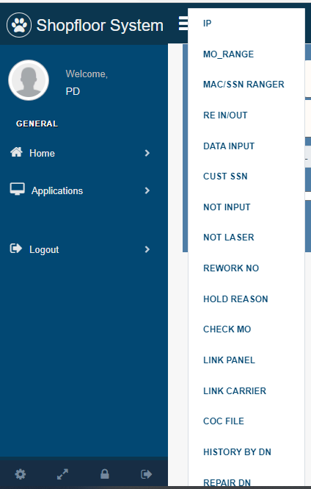 | Done
5 | Test funtion: add @,click Period to search by time | 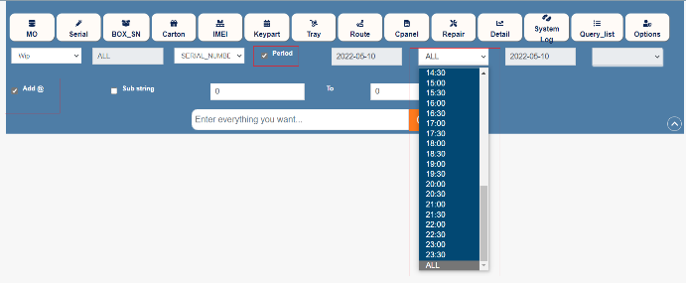 | Done
7 | Test funtion Subtring, select tab, search | 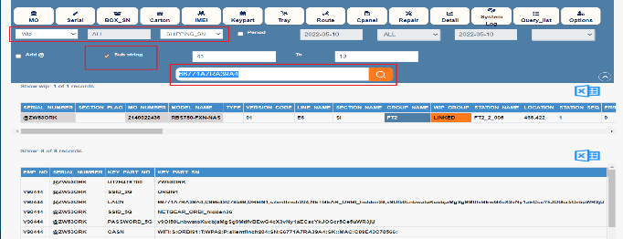 | Done
8 | Log out,view SOP | 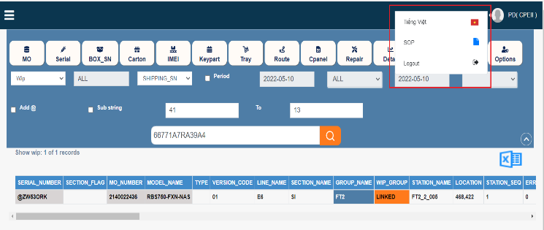 | Done

